Grid Search CV Parameter
GRID SEARCH CV 's HYPER PARAMETER

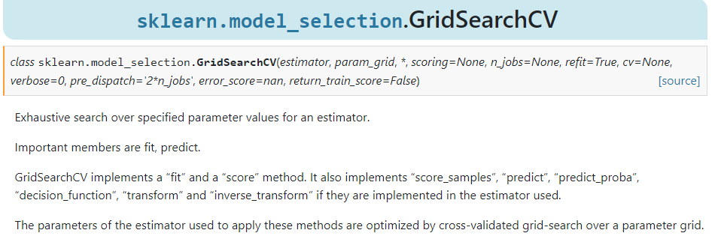

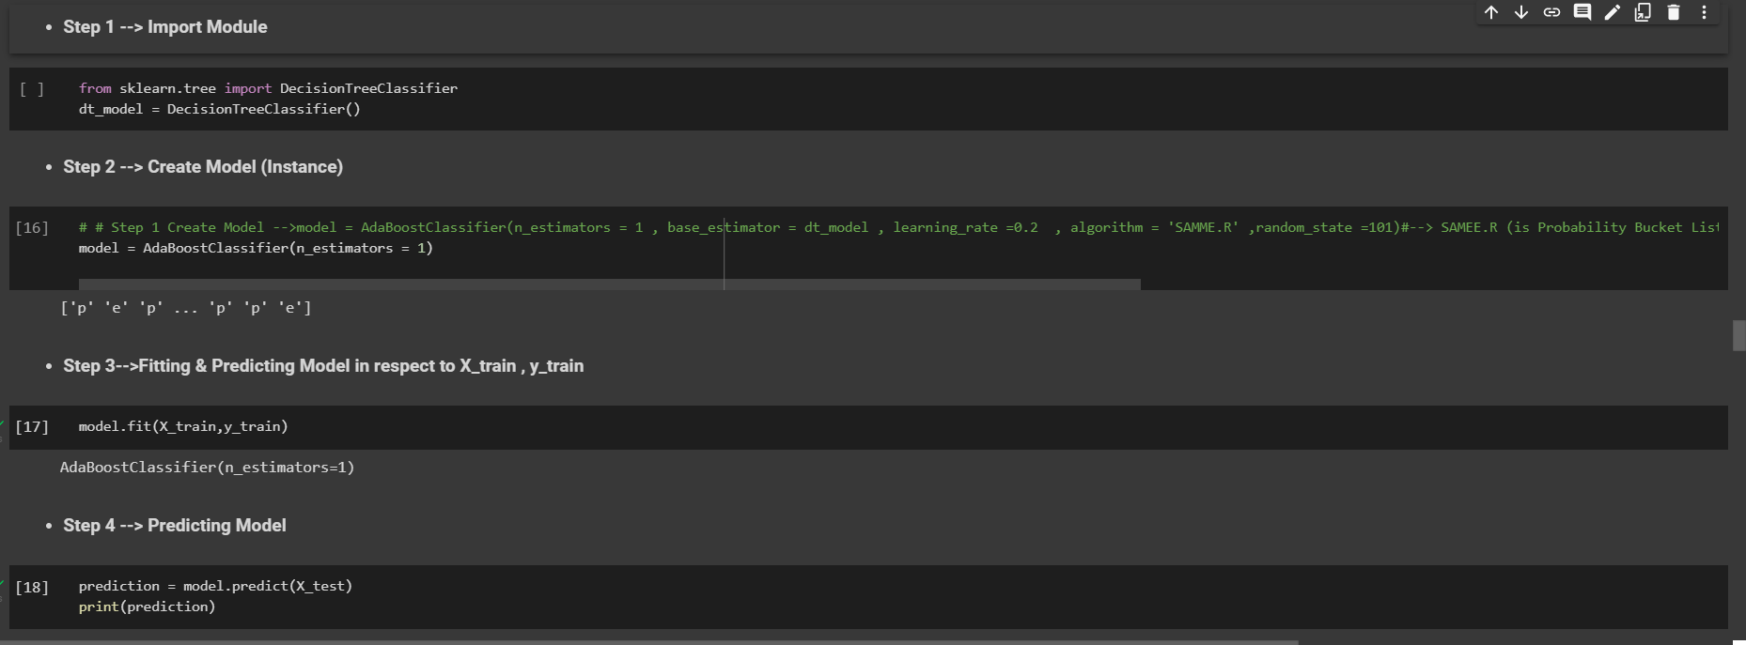  →1. estimator –An estimator is an object that fits a model based on some training data and is capable of inferring some properties on new data. It can be, for instance, a classifier or a regressor. All estimators implement the fit method , Ex --> A scikit-learn model Like SVM (Model) or KNN(Model)or Gradient BoostingModel. Reference (Scikit Learn)-->https://scikit-learn.org/stable/developers/develop.html?highlight=estimator Here is The Practical Example

→2.param_grid – A dictionary with parameter names as keys and lists of parameter values.

→3.cv – An integer that is the number of folds for K-fold cross-validation as well as in Stratified k fold cross validation K-Fold Cross-Validation --> In a Data-Driven World, there is never enough data to train your model, on top of that removing a part of it for validation poses a greater problem of Underfitting and we risk losing important patterns and trends in our data set, which in turn increases Bias. So ideally, we require a method that provides ample amounts of data for training the model and leaves ample amounts of data for validation sets.In K-Fold cross-validation, the data is divided into k subsets or we can take it as a holdout method repeated k times, such that each time, one of the k subsets is used as the validation set and the other k-1 subsets as the training set. The error is averaged over all k trials to get the total efficiency of our model.We can see that each data point will be in a validation set exactly once and will be in a training set k-1 time. This helps us reduce bias as we are using most of the data for fitting and reduces variance as most of the data is also being used in the validation set. Stratified K-Fold Cross-Validation--> K Fold Cross Validation technique will not work as expected for an Imbalanced Data set. When we have an imbalanced data set, we need a slight change to the K Fold cross validation technique, such that each fold contains approximately the same strata of samples of each output class as the complete. This variation of using a stratum in K Fold Cross Validation is known as Stratified K Fold Cross Validation. Reference-->https://colab.research.google.com/drive/1qOXz3-41EhtVwXascJ3dM

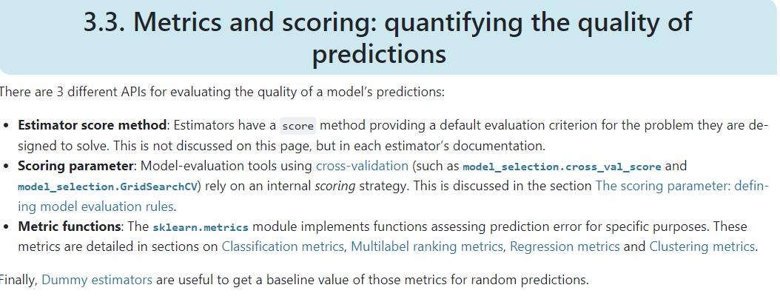 →4. Scoring-->The performance measure. For example, ‘r2’ for regression models, ‘precision’ for classification models.

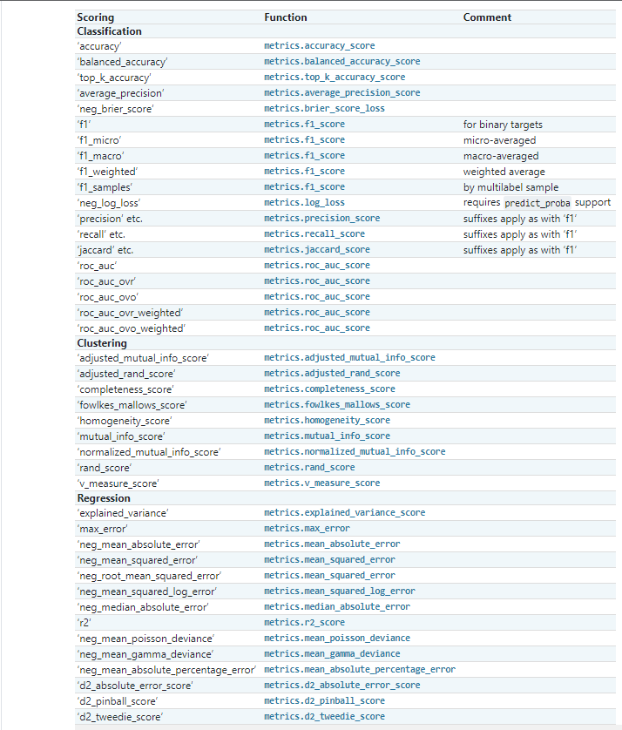

→5. verbose : int Controls the verbosity: the higher, the more messages. A. >1 : the computation time for each fold and parameter candidate is displayed. B. >2 : the score is also displayed. C. >3 : the fold and candidate parameter indexes are also displayed together with the starting time of the computation.

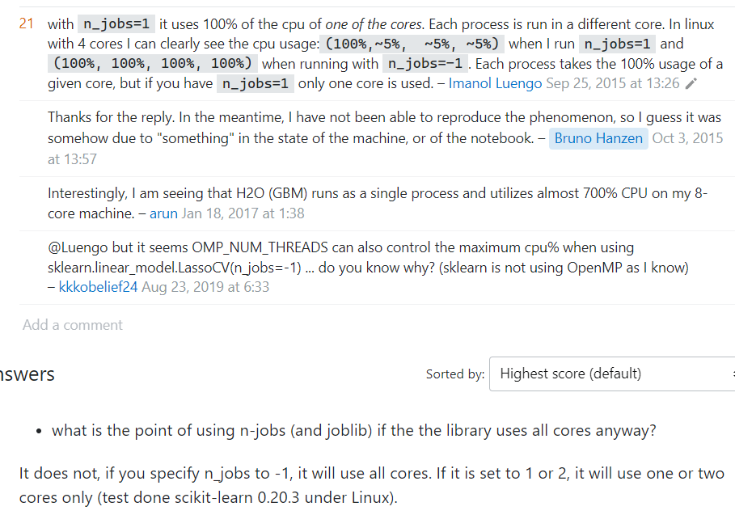 →6.What does N_jobs mean in Python? A. n_jobs is an integer, specifying the maximum number of concurrently running workers. If 1 is given, no joblib parallelism is used at all, which is useful for debugging. If set to -1, all CPUs are used. For n_jobs below -1, (n_cpus + 1 + n_jobs) are used. Reference-->https://stackoverflow.com/questions/32761556/python-scikit-learn-n-jobs

7.return_train_scorebool, default=False A-->If False, the cv_results_ attribute will not include training scores. Computing training scores is used to get insights on how different parameter settings impact the overfitting/underfitting trade-off. However computing the scores on the training set can be computationally expensive and is not strictly required to select the parameters that yield the best generalization performance.

